INSTRUCTIONS (2)
Use of Hampshire Assessment Model to track at objective level
We suggest that schools bear the following in mind if choosing to use this tool:
1. Tracking every objective for every individual pupil level represents a considerable challenge. There is no intrinsic value in tracking at this level of detail unless it informs day to day teaching and learning
2. There is no formula that links achievement of individual objectives directly to the milestone assessments in each domain. Teachers have to consider whether the curriculum coverage and depth of learning represents sufficient progress to give confidence that the child will reach at least Secure ARE by the end of the year.
3. All objectives are end of year objectives and therefore none should necessarily be expected to be secured at expert level until well into the academic year.
4. The phasing of objectives is not directly a suggested teaching progression. Ideas form phase 2 and 3 may well need to be introduced earlier in the year than they are assessed. The phases offer a suggestion of a range of criteria that would be most helpful to establish a reliable assessment view of the child at each point in the year.
An example Assessment Tracking Spreadsheet Notes for Guidance

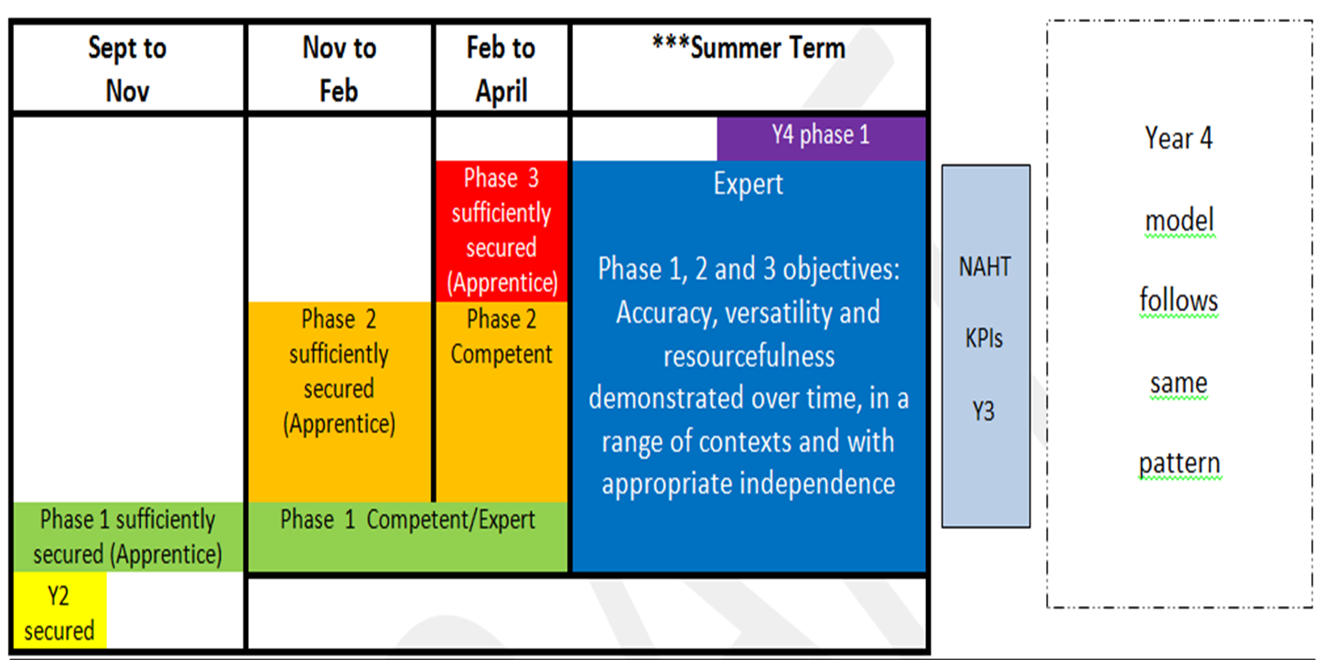 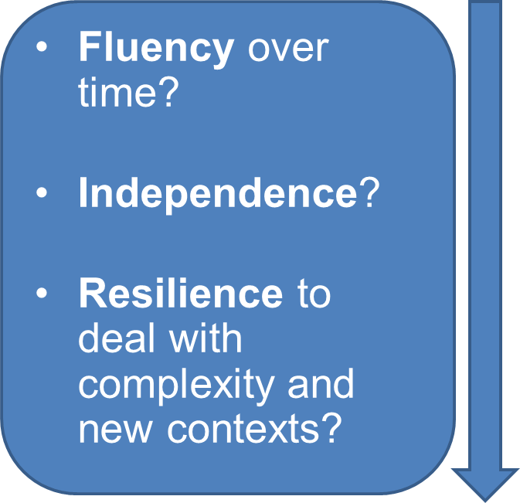 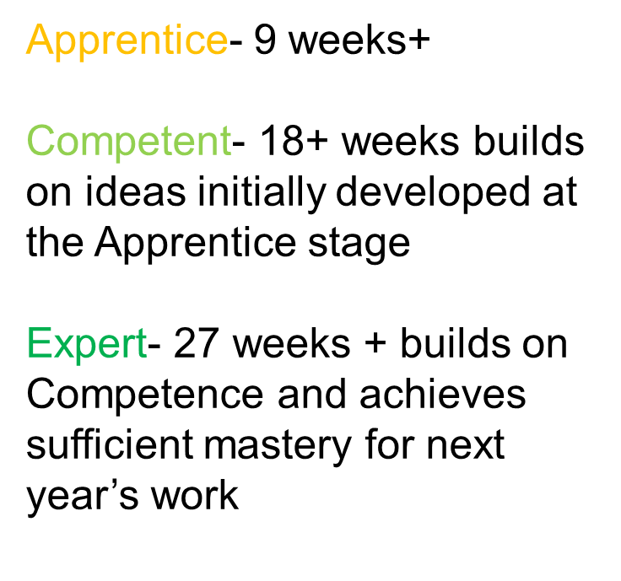 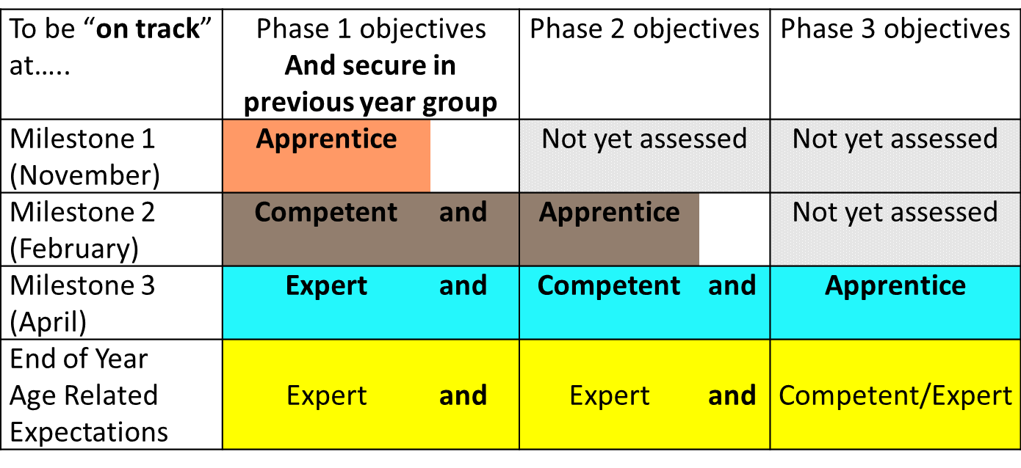

How it works:
1 The objective tracker always records the current working grades
2 Milestone % records the proportion of objectives that a child has achieved against expectations of growing mastery (depth of learning)
3 Current attainment in each objective may help guide focus for curriculum
4. Overall attainment against the full set of objectives is tracked at the bottom of the spreadsheet.

